TestCases
 | Title | Pre-Conditions |  | Expected Result | Actual Result | Bug ID | Comments | Screenshots

1. | Installation of the application | The user has installed Win OS. | 1. Click over .exe file. | The app is running. | Passed

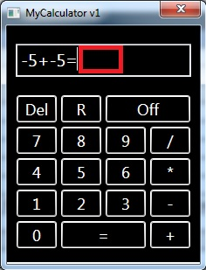
2. | Additional (+) (keyboard buttons) | The user has installed Win OS. The app is running. The the display is clear. | 1. Click in the display field (on the calculator screen). | The app allows this action. The cursor blinking in the field. | Passed

 |  |  | 2. Press on (Number from keyboard). | The app allows this action. | Passed
 |  |  | 3. Press on (+ from keyboard). | The app allows this action. | Passed
 |  |  | 4. Press on (Number from keyboard). | The app allows this action. | Passed
 |  |  | 5. Press (= from keyboard). | The app presents valid result (sum of the numbers). | Failed |  | Bug: Calculator doesn't show a result

3. | Additional (+) (keyboard buttons) Sum of more than 2 digits. | The user has installed Win OS. The app is running. The the display is clear. | 1. Click in the display field (on the calculator screen). | The app allows this action. The cursor blinking in the field. | Passed
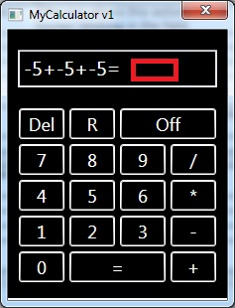
 |  |  | 2. Press on (Number from keyboard). | The app allows this action. | Passed
 |  |  | 3. Press on (+ from keyboard). | The app allows this action. | Passed
 |  |  | 4. Press on (Number from keyboard). | The app allows this action. | Passed
 |  |  | 5. Press (+ from keyboard). | The app allows this action.
 |  |  | 6. Press (Number from keyboard)…… | The app allows this action.
 |  |  | 5. Press (= from keyboard). | The app presents valid result (sum of the numbers). | Failed |  | Bug: Calculator doesn't show a result

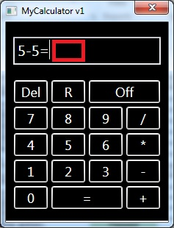

4. | Subtraction (−) (keyboard buttons) | The user has installed Win OS. The app is running. The the display is clear. | 1. Click in the display field (on the calculator screen). | The app allows this action. The cursor blinking in the field. | Passed
 |  |  |  |  | Passed
 |  |  | 2. Press on (Number from keyboard). | The app allows this action. | Passed
 |  |  | 3. Press on (- from keyboard). | The app allows this action. | Passed
 |  |  | 4. Press on (Number from keyboard). | The app allows this action. | Passed
 |  |  | 5. Press (= from keyboard). | The app presents valid result (difference of the numbers). | Failed |  | Bug: Calculator doesn't show a result

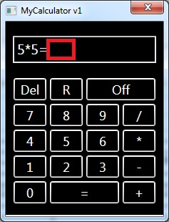
5. | Multiplication (*) (keyboard buttons) | The user has installed Win OS. The app is running. The the display is clear. | 1. Click in the display field (on the calculator screen). | The app allows this action. The cursor blinking in the field. | Passed

 |  |  | 2. Press on (Number from keyboard). | The app allows this action. | Passed
 |  |  | 3. Press on (* from keyboard). | The app allows this action. | Passed
 |  |  | 4. Press on (Number from keyboard). | The app allows this action. | Passed
 |  |  | 5. Press (= from keyboard). | The app presents valid result (product of the numbers). | Failed |  | Bug: Calculator doesn't show a result

6. | Division (/) (keyboard buttons) | The user has installed Win OS. The app is running. The the display is clear. | 1. Click in the display field (on the calculator screen). | The app allows this action. The cursor blinking in the field. | Passed
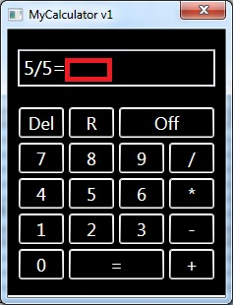
 |  |  | 2. Press on (Number from keyboard). | The app allows this action. | Passed
 |  |  | 3. Press on (/ from keyboard). | The app allows this action. | Passed
 |  |  | 4. Press on (Number from keyboard). | The app allows this action. | Passed
 |  |  | 5. Press (= from keyboard). | The app presents valid result (quotient of the numbers). | Failed |  | Bug: Calculator doesn't show a result

7. | Division (/) (keyboard buttons) Divide by zero. | The user has installed Win OS. The app is running. The the display is clear. | 1. Click in the display field (on the calculator screen). | The app allows this action. The cursor blinking in the field. | Passed

 |  |  | 2. Press on (Number from keyboard). | The app allows this action. | Passed
 |  |  | 3. Press on (/ from keyboard). | The app allows this action. | Passed
 |  |  | 4. Press on (0 from keyboard). | The app allows this action. | Failed |  | The test case is blocked by test case №6
 |  |  | 5. Press (= from keyboard). | The app presents error message.

8. | (Del) button (keyboard buttons) | The user has installed Win OS. The app is running. The the display is clear. | 1. Click in the display field (on the calculator screen). | The app allows this action. The cursor blinking in the field. | Passed

 |  |  | 2. Press on some button on keyboard (except the following buttons Del, Backspace, Off>Alt+F4). | The app allows this action. | Passed

 |  |  | 3. Press on (Del) button. | The app deletes whole entered information. | Failed |  | No reaction after Pressing on Del button.

9. | (Backspace) button (keyboard buttons) | The user has installed Win OS. The app is running. The the display is clear. | 1. Click in the display field (on the calculator screen). | The app allows this action. The cursor blinking in the field. | Passed

 |  |  | 2. Press on some button on keyboard (except the following buttons Del, Backspace, Off>Alt+F4). | The app allows this action. | Passed

 |  |  | 3. Press on (Backspace) button. | The app deletes the last entered/shown symbol. | Passed

10. | (Off > Alt+F4) button (keyboard buttons) | The user has installed Win OS. The app is running. The the display is clear. | 1. Click in the display field (on the calculator screen). | The app allows this action. The cursor blinking in the field. | Passed
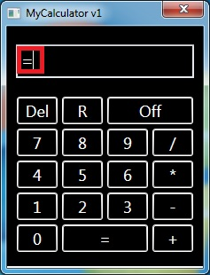
 |  |  | 2. Press on some button on keyboard (except the following buttons Del, Backspace, Off>Alt+F4). | The app allow this action. | Passed

 |  |  | 3. Press on (Off>Alt+F4) button. | Exit of the app. | Passed

11. | (=) button (keyboard buttons) | The user has installed Win OS. The app is running. The the display is clear. | 1. Click in the display field (on the calculator screen). | The app allows this action. The cursor blinking in the field. | Passed

 |  |  | 2. Press on (=) button. | The app allow this action and nothing happens. | Failed |  | Bug:There is symbol ''=''.
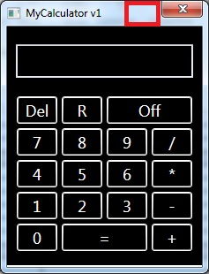

12. | Minimize button in app | The user has installed Win OS. The app is running. The the display is clear. | Try to minimize the app via minimize button. | The app is minimized. | Failed |  | Bug: Missing minimized button.

13. | Close button in app | The user has installed Win OS. The app is running. The the display is clear. | Try to close the app via close button. | The app is closed. | Passed

 | NOTE: Test cases 12 and 13 are general test cases.

